Sheet1
Item No | Photo | Style | Size | Pack | UOM | Color | Style Desc | CS Qty | Avail Qty | IN Qty | UPC | Pairs /pk | Total pairs
419104 | 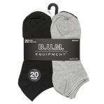 | BUM-810/20 | M | 20B | PK | BLACK | BUM 20PR Ladies Value Banded Low Cut Solid Pack | 24 | 6,984 | 2 | 081091623040 | 20 | 139680
419105 |  | BUM-810/20 | M | 20B | PK | BWG1 | BUM 20PR Ladies Value Banded Low Cut Solid Pack | 24 | 10,800 | 2 | 081091623057 | 20 | 216000
417500 |  | CC-922/6B | 10-13 | 06B | PK | ASST | Clear Creek Men's Assorted 6pk No Show | 60 | 30,000 | 6 | 081091614147 | 6 | 180000
407967 | 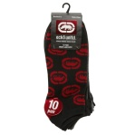 | EU-508/10 | 10-13 | 10B | PK | MULTI | Ecko Unltd. Men's 10PK Flatknit Lowcut | 36 | 10 | 4 | 181091017037 | 10 | 100
406079 |  | EU-605/10 | 10-13 | 10B | PK | BLK/R | Ecko Unltd. Men's 10PK Flatknit Quarter- Solid | 36 | 4,240 |  | 181091010281 | 10 | 42400
414703 | 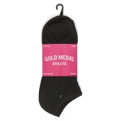 | GMI-100/5-MD | 9-11 | 05C | PK | B/W/G | FLAT KNIT 5 PK LOW CUT BLK/WHT/GRY | 48 | 89,712 | 3 | 181091032498 | 5 | 448560
412581 | 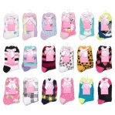 | SF-2022/1 | 9-11 | 01H | PR | ASST | 1pk Buttersocks 2022 - Asst Colors & Designs | 90 | 75,000 | 6 | 181091025698 | 1 | 75000
123642 |  | 74 | 8-11 | 01V | EA | WHITE | SABRA Comfort Top Sheer KH | 180 | 10,980 | 12 | 081091100718 | 1 | 14760
 |  |  |  |  |  |  |  |  |  |  | Totals |  | 1116500

